Descriptive Statistics
 |  |  |  |  |  |  |  | ANALYSIS CALCULATIONS RETURNS ANALYSIS
Date | Adj Close (Amazon) | Adj Close (Ebay) | Amazon | Ebay | Weekly Returns based on adj prices to the left for Amazon | Weekly Returns based on adj prices to the left for Ebay | Market Price | Date | Amazon | Ebay | Portfolio Return | Market Return |  | Amazon | Ebay
06/02/2026 | 210.32 | 86.55 |  |  |  |  | 6,932.30 | 06/02/2026 | -1.00 | -1.00 | -1.00 | -0.001 | Max | 9.49% | 12.66%
02/02/2026 | 210.32 | 86.55 | -0.121 | -0.051 | -12.11% | -5.12% | 6,939.03 | 02/02/2026 | -207.88 | 1.01 | -103.44 | 0.003 | Min | -12.11% | -16.35%
26/01/2026 | 239.30 | 91.22 | 0.001 | -0.026 | 0.06% | -2.55% | 6,915.61 | 26/01/2026 | 2.50 | -5.10 | -1.30 | -0.004 | Range | 21.60% | 29.01%
19/01/2026 | 239.16 | 93.61 | 0.000 | 0.006 | 0.02% | 0.62% | 6,940.01 | 19/01/2026 | -1.01 | -0.73 | -0.87 | -0.004 | Z max | 231.24% | 254.20%
12/01/2026 | 239.12 | 93.03 | -0.033 | 0.023 | -3.34% | 2.33% | 6,966.28 | 12/01/2026 | -1.36 | -0.47 | -0.92 | 0.016 | Z min | -231.24% | -345.65%
05/01/2026 | 247.38 | 90.91 | 0.092 | 0.044 | 9.22% | 4.42% | 6,858.47 | 05/01/2026 | -4.56 | 1.04 | -1.76 | -0.010 | Q3 | 2.14% | 2.84%
29/12/2025 | 226.50 | 87.06 | -0.026 | 0.022 | -2.59% | 2.17% | 6,929.94 | 29/12/2025 | -2.14 | 2.34 | 0.10 | 0.014 | Q1 | -1.89% | -1.53%
22/12/2025 | 232.52 | 85.21 | 0.023 | 0.006 | 2.27% | 0.65% | 6,834.50 | 22/12/2025 | 3.43 | -1.79 | 0.82 | 0.001 | IQR, Interquartile range Q3-Q1 | 4.03% | 4.36%
15/12/2025 | 227.35 | 84.66 | 0.005 | -0.008 | 0.51% | -0.82% | 6,827.41 | 15/12/2025 | -1.35 | -1.23 | -1.29 | -0.006
08/12/2025 | 226.19 | 85.36 | -0.015 | 0.035 | -1.46% | 3.50% | 6,870.40 | 08/12/2025 | -0.08 |  | -0.04 | 0.003 | Q2 | 0.02% | 1.13%
01/12/2025 | 229.53 | 82.47 | -0.016 |  | -1.58% |  | 6,849.09 | 01/12/2025 | -1.28 |  | -0.64 | 0.037
24/11/2025 | 233.22 |  | 0.057 |  | 5.68% |  | 6,602.99 | 24/11/2025 | -1.95 | -1.00 | -1.48 | -0.019 | Mean | -1.31% | 0.36%
17/11/2025 | 220.69 | 82.50 | -0.060 | 0.024 | -5.97% | 2.41% | 6,734.11 | 17/11/2025 | 0.50 | -1.67 | -0.59 | 0.001 | Mean Absolute deviation | 3.45% | 3.44%
10/11/2025 | 234.69 | 80.56 | -0.040 | -0.036 | -3.98% | -3.59% | 6,728.80 | 10/11/2025 | -52.12 | -60.96 | -56.54 | -0.016 | Sample Varience | 0.22% | 0.23%
03/11/2025 | 244.41 | 83.56 | 0.001 | 0.001 | 0.08% | 0.06% | 6,840.20 | 03/11/2025 | -0.99 | -0.98 | -0.99 | 0.007 | Sample Standart Deviation | 4.67% | 4.84%
27/10/2025 | 244.22 | 83.51 | 0.089 | 0.031 | 8.92% | 3.07% | 6,791.69 | 27/10/2025 | 0.70 | -1.19 | -0.24 | 0.019
20/10/2025 | 224.21 | 81.02 | 0.052 | -0.164 | 5.24% | -16.35% | 6,664.01 | 20/10/2025 | -4.41 | -3.90 | -4.15 | 0.017 | SUMMARY STATISTICS
13/10/2025 | 213.04 | 96.86 | -0.015 | 0.056 | -1.54% | 5.64% | 6,552.51 | 13/10/2025 | 0.08 | 0.44 | 0.26 | -0.024 | Average Return | -0.0006 | 0.0036
06/10/2025 | 216.37 | 91.69 | -0.014 | 0.039 | -1.43% | 3.91% | 6,715.79 | 06/10/2025 | 10.64 | -1.99 | 4.32 | 0.011 | Variance | 125.41 | 125.41
29/09/2025 | 219.51 | 88.24 | -0.001 | -0.039 | -0.12% | -3.93% | 6,643.70 | 29/09/2025 | -0.98 | -4.47 | -2.72 | -0.003 | Std Dev | 17.82 | 10.67
22/09/2025 | 219.78 | 91.85 | -0.051 | 0.011 | -5.05% | 1.13% | 6,664.36 | 22/09/2025 | -4.46 | 33.32 | 14.43 | 0.012 | Risk-free rate | 3.56 | 3.56
15/09/2025 | 231.48 | 90.82 | 0.015 | 0.000 | 1.46% | 0.03% | 6,584.29 | 15/09/2025 | -1.81 | -0.90 | -1.36 | 0.016 | Sharpe ratio | -19.98% | -33.32%
08/09/2025 | 228.15 | 90.79 | -0.018 | 0.003 | -1.80% | 0.34% | 6,481.50 | 08/09/2025 | -2.24 | -1.17 | -1.70 | 0.003
01/09/2025 | 232.33 | 90.48 | 0.015 | -0.020 | 1.45% | -2.00% | 6,460.26 | 01/09/2025 | 19.80 |  | 9.90 | -0.001 | ASSET RELATIONSHIP
25/08/2025 | 229.00 | 92.33 | 0.001 |  | 0.07% |  | 6,466.91 | 25/08/2025 | -1.07 |  | -0.54 | 0.003 | Covariance | 0.00 | -2.43
18/08/2025 | 228.84 |  | -0.009 |  | -0.95% |  | 6,449.80 | 18/08/2025 | -1.25 | -1.00 | -1.13 | 0.009 | Correlation | -0.09 | -0.10
11/08/2025 | 231.03 | 90.01 | 0.037 | -0.087 | 3.75% | -8.67% | 6,389.45 | 11/08/2025 | 0.01 | 4.90 | 2.46 | 0.024
04/08/2025 | 222.69 | 98.56 | 0.037 | -0.015 | 3.70% | -1.47% | 6,238.01 | 04/08/2025 | -1.51 | -1.18 | -1.35 | -0.024
Weekly Returns based on adj prices to the left for Amazon and Weekly Returns based on adj prices to the left for Ebay
28/07/2025 | 214.75 | 100.03 | -0.072 | 0.081 | -7.21% | 8.12% | 6,388.64 | 28/07/2025 | -4.07 | 4.32 | 0.13 | 0.015
21/07/2025 | 231.44 | 92.52 | 0.023 | 0.015 | 2.35% | 1.53% | 6,296.79 | 21/07/2025 | 3.76 | -0.88 | 1.44 | 0.006
14/07/2025 | 226.13 | 91.13 | 0.005 | 0.127 | 0.49% | 12.66% | 6,259.75 | 14/07/2025 | -0.32 | 2.00 | 0.84 | -0.003
07/07/2025 | 225.02 | 80.89 | 0.007 | 0.042 | 0.72% | 4.21% | 6,279.35 | 07/07/2025 | 13.63 | 2.16 | 7.90 | 0.017
30/06/2025 | 223.41 | 77.62 | 0.000 | 0.013 | 0.05% | 1.33% | 6,173.07 | 30/06/2025 | -0.99 | 0.35 | -0.32 | 0.034
23/06/2025 | 223.30 | 76.60 | 0.065 | 0.010 | 6.49% | 0.99% | 5,967.84 | 23/06/2025 | -6.71 | -0.72 | -3.72 | -0.002
16/06/2025 | 209.69 | 75.85 | -0.011 | 0.035 | -1.14% | 3.52% | 5,976.97 | 16/06/2025 | 0.65 | -1.71 | -0.53 | -0.004
09/06/2025 | 212.10 | 73.27 | -0.007 | -0.050 | -0.69% | -4.98% | 6,000.36 | 09/06/2025 | -1.16 | -15.72 | -8.44 | 0.015
02/06/2025 | 213.57 | 77.11 | 0.042 | 0.003 | 4.18% | 0.34% | 5,911.69 | 02/06/2025 | 1.09 | -1.21 | -0.06 | 0.019
26/05/2025 | 205.01 | 76.85 | 0.020 | -0.016 | 2.00% | -1.59% | 5,802.82 | 26/05/2025 | -1.89 |  | -0.95 | -0.026
19/05/2025 | 200.99 | 78.09 | -0.022 |  | -2.24% |  | 5,958.38 | 19/05/2025 | -1.34 |  | -0.67 | 0.053
12/05/2025 | 205.59 |  | 0.065 |  | 6.49% |  | 5,659.91 | 12/05/2025 | 3.00 | -1.00 | 1.00 | -0.005
05/05/2025 | 193.06 | 72.40 | 0.016 | 0.017 | 1.62% | 1.74% | 5,686.67 | 05/05/2025 | 2.09 | 14.48 | 8.29 | 0.029
28/04/2025 | 189.98 | 71.16 | 0.005 | 0.001 | 0.52% | 0.11% | 5,525.21 | 28/04/2025 | -0.94 | -0.97 | -0.96 | 0.046
21/04/2025 | 188.99 | 71.08 | 0.095 | 0.034 | 9.49% | 3.36% | 5,282.70 | 21/04/2025 | -2.43 | 1.53 | -0.45 | -0.015
14/04/2025 | 172.61 | 68.77 | -0.066 | 0.013 | -6.63% | 1.33% | 5,363.36 | 14/04/2025 | -1.82 | 0.17 | -0.82 | 0.057
07/04/2025 | 184.87 | 67.87 | 0.081 | 0.011 | 8.11% | 1.13% | 5,074.08 | 07/04/2025 | -1.72 | -0.52 | -1.12 | -0.091
31/03/2025 | 171.00 | 67.11 | -0.113 | 0.024 | -11.27% | 2.36% | 5,580.94 | 31/03/2025 | 5.34 | -0.09 | 2.62 | -0.015
24/03/2025 | 192.72 | 65.56 | -0.018 | 0.026 | -1.78% | 2.60% | 5,667.56 | 24/03/2025 | 1.02 | -0.26 | 0.38 | 0.005
17/03/2025 | 196.21 | 63.90 | -0.009 | 0.035 | -0.88% | 3.50% | 5,638.94 | 17/03/2025 | 0.35 | -1.49 | -0.57 | -0.023
10/03/2025 | 197.95 | 61.74 | -0.007 | -0.071 | -0.65% | -7.09% | 5,770.20 | 10/03/2025 | -0.89 | -4.37 | -2.63 | -0.031
03/03/2025 | 199.25 | 66.45 | -0.061 | 0.021 | -6.14% | 2.11% | 5,954.50 | 03/03/2025 | 2.09 |  | 1.05 | -0.010
24/02/2025 | 212.28 | 65.08 | -0.020 |  | -1.99% |  | 6,013.13 | 24/02/2025 | -0.62 |  | -0.31 | -0.017
17/02/2025 | 216.58 |  | -0.053 |  | -5.29% |  | 6,114.63 | 17/02/2025 |  | -1.00 | -0.50
10/02/2025 | 228.68 | 64.30 |  | -0.074 |  | -7.42% |  | 10/02/2025 |  | -1.83 | -0.92
 |  | 69.45 |  | 0.089 |  | 8.91% |  |  |  | -2.33 | -1.16
 |  | 63.77 |  | -0.067 |  | -6.70% |  |  |  | 8.23 | 4.11
 |  | 68.35 |  | -0.007 |  | -0.73% |  |  |  |  | 0.00
 |  | 68.85 |  |  |  |  |  |  |  |  | 0.00

Regression
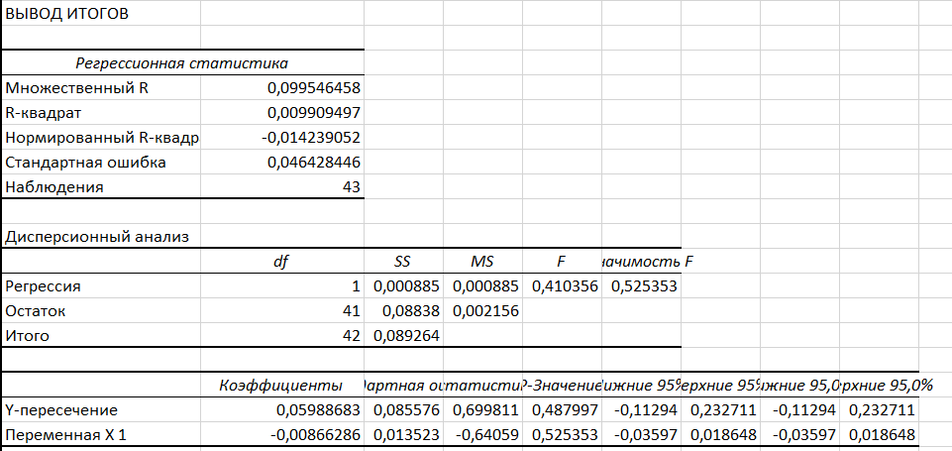
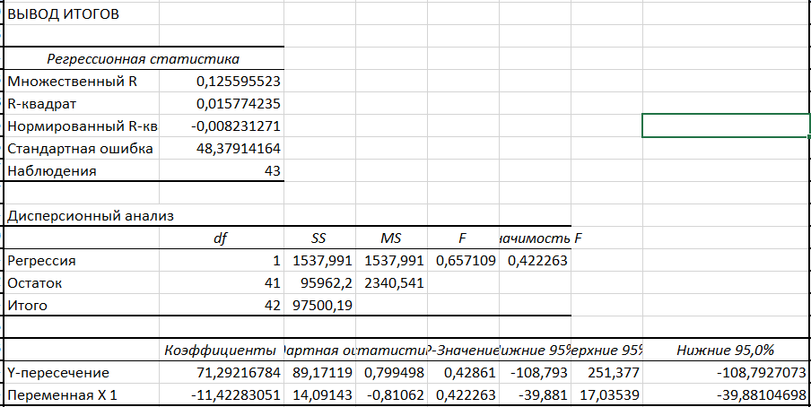
Adj Close (Amazon) | ^GSPC Market Price | Adj Close (Amazon) | ^GSPC Market Price | Amazon Regression | Adj Close (Ebay) | ^GSPC Market Price | Adj Close (Ebay) | ^GSPC Market Price | Ebay Regression
-0.121 | 6,939 | -121 | 6,939 |  | -0.051 | 6,939 | -51.000 | 6,939
0.001 | 6,916 | 1 | 6,916 |  | -0.026 | 6,916 | -26.000 | 6,916
0.000 | 6,940 | 0 | 6,94 |  | 0.006 | 6,940 | 6.000 | 6,94
-0.033 | 6,966 | -33 | 6,966 |  | 0.023 | 6,966 | 23.000 | 6,966
0.092 | 6,858 | 92 | 6,858 |  | 0.044 | 6,858 | 44.000 | 6,858
-0.026 | 6,930 | -26 | 6,93 |  | 0.022 | 6,930 | 22.000 | 6,93
0.023 | 6,835 | 23 | 6,835 |  | 0.006 | 6,835 | 6.000 | 6,835
0.005 | 6,827 | 5 | 6,827 |  | -0.008 | 6,827 | -8.000 | 6,827
-0.015 | 6,870 | -15 | 6,87 |  | 0.035 | 6,870 | 35.000 | 6,87
-0.060 | 6,734 | -60 | 6,734 |  | 0.024 | 6,734 | 24.000 | 6,734
-0.040 | 6,729 | -40 | 6,729 |  | -0.036 | 6,729 | -36.000 | 6,729
0.001 | 6,840 | 1 | 6,84 |  | 0.001 | 6,840 | 1.000 | 6,84
0.089 | 6,792 | 89 | 6,792 |  | 0.031 | 6,792 | 31.000 | 6,792
0.052 | 6,664 | 52 | 6,664 |  | -0.164 | 6,664 | -164.000 | 6,664
-0.015 | 6,553 | -15 | 6,553 |  | 0.056 | 6,553 | 56.000 | 6,553
-0.014 | 6,716 | -14 | 6,716 |  | 0.039 | 6,716 | 39.000 | 6,716
-0.001 | 6,644 | -1 | 6,644 |  | -0.039 | 6,644 | -39.000 | 6,644
-0.051 | 6,664 | -51 | 6,664 |  | 0.011 | 6,664 | 11.000 | 6,664
0.015 | 6,584 | 15 | 6,584 |  | 0.000 | 6,584 | 0.000 | 6,584
-0.018 | 6,482 | -18 | 6,482 |  | 0.003 | 6,482 | 3.000 | 6,482
0.015 | 6,460 | 15 | 6,46 |  | -0.020 | 6,460 | -0,02 | 6,46
0.037 | 6,389 | 37 | 6,389 |  | -0.087 | 6,389 | -87.000 | 6,389
0.037 | 6,238 | 37 | 6,238 |  | -0.015 | 6,238 | -15.000 | 6,238
-0.072 | 6,389 | -72 | 6,389 |  | 0.081 | 6,389 | 81.000 | 6,389
0.023 | 6,297 | 23 | 6,297 |  | 0.015 | 6,297 | 15.000 | 6,297
0.005 | 6,260 | 5 | 6,26 |  | 0.127 | 6,260 | 127.000 | 6,26
0.007 | 6,279 | 7 | 6,279 |  | 0.042 | 6,279 | 42.000 | 6,279
0.000 | 6,173 | 0 | 6,173 |  | 0.013 | 6,173 | 13.000 | 6,173
0.065 | 5,968 | 65 | 5,968 |  | 0.010 | 5,968 | 0,01 | 5,968
-0.011 | 5,977 | -11 | 5,977 |  | 0.035 | 5,977 | 35.000 | 5,977
-0.007 | 6,000 | -7 | 6 |  | -0.050 | 6,000 | -0,05 | 6
0.042 | 5,912 | 42 | 5,912 |  | 0.003 | 5,912 | 3.000 | 5,912
0.020 | 5,803 | 20 | 5,803 |  | -0.016 | 5,803 | -16.000 | 5,803
0.016 | 5,687 | 16 | 5,687 |  | 0.017 | 5,687 | 17.000 | 5,687
0.005 | 5,525 | 5 | 5,525 |  | 0.001 | 5,525 | 1.000 | 5,525
0.095 | 5,283 | 95 | 5,283 |  | 0.034 | 5,283 | 34.000 | 5,283
-0.066 | 5,363 | -66 | 5,363 |  | 0.013 | 5,363 | 13.000 | 5,363
0.081 | 5,074 | 81 | 5,074 |  | 0.011 | 5,074 | 11.000 | 5,074
-0.113 | 5,581 | -113 | 5,581 |  | 0.024 | 5,581 | 24.000 | 5,581
-0.018 | 5,668 | -18 | 5,668 |  | 0.026 | 5,668 | 26.000 | 5,668
-0.009 | 5,639 | -9 | 5,639 |  | 0.035 | 5,639 | 35.000 | 5,639
-0.007 | 5,770 | -7 | 5,77 |  | -0.071 | 5,770 | -71.000 | 5,77
-0.061 | 5,955 | -61 | 5,955 |  | 0.021 | 5,955 | 21.000 | 5,955

